Futures
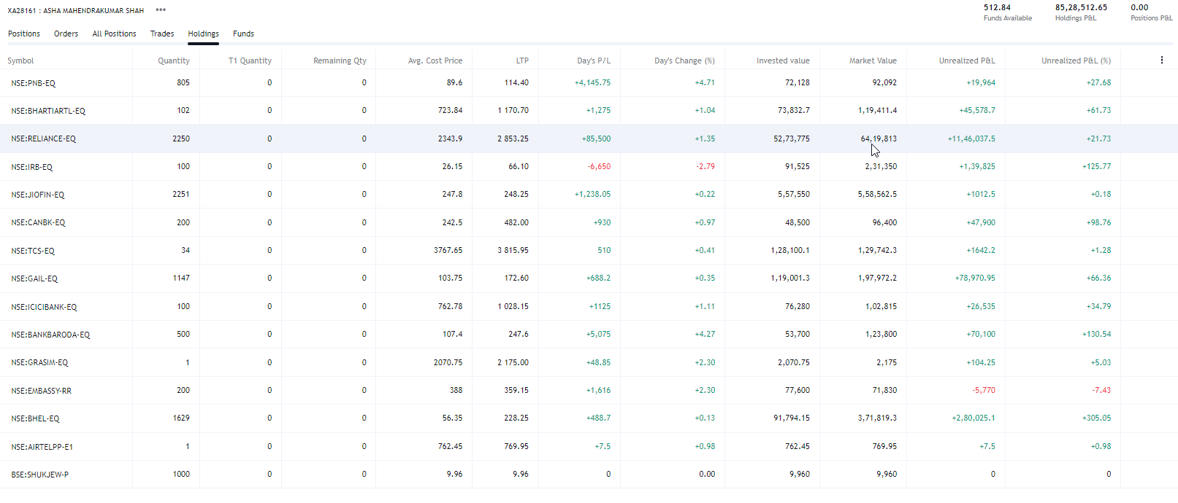
 |  |  |  |  |  |  |  |  |  | 2014-15 | 26-Jul-14
 |  |  |  |  |  |  |  |  |  | 2015-16 | 4th Sep 2015
 |  |  |  |  |  |  |  |  |  | 2016-17 | 28th july 2016 |  |  |  |  |  | jigi | dad | pratik | asha | bhabhi | vishal | nimu
 |  |  |  |  |  |  |  |  |  | 17-18 | 28th july 2017 |  |  |  |  |  | bom | rent | salary | dividend | fd | dividend | interest
 |  |  |  |  |  |  |  |  |  | 18-19 | 22-Aug-18 |  |  |  |  |  | hdfc | office rent | fno | mf | saving interest | fd | FD
 |  |  |  |  |  |  |  |  |  | 19-20 | 28-Aug-19 |  |  |  |  |  |  | dividend | diviend | fd | kotak | savings
Vest Period | Vest Date | Release Date | Sellable Qty. | Pending Sale Qty. | Est. Cost Basis (per share) | Est. Market Value |  |  |  | 20-21 | 23rd dec 2020 |  |  |  |  |  | fno | fd | nps | rent | surat flat | ppf
1 | 2021-02-06 | 2021-02-06 | 3 | 0 | $429.81 | $1,680.72 |  |  |  | 21-22 | 11-Dec-21 |  |  |  |  |  | lic | fno | monarch | ppf | ppf | cash in hand
View Confirmation Of Release |  |  |  |  |  |  |  |  |  | 22-23 | j30 jul 2022 |  |  |  |  |  | ppf | mf | stock options | fyers | cash in hand
View Gain/Loss Information |  |  |  |  |  |  |  |  |  |  |  |  |  |  |  |  | business | ltcg monarch | ltcg | cash in hand
2 | 2022-02-06 | 2022-02-06 | 3 | 0 | $554.71 | $1,680.72 |  |  |  |  |  |  |  |  |  |  | interest | entry | foreign assets ESOPs
View Confirmation Of Release |  |  |  |  |  |  |  |  |  |  |  |  |  |  |  |  | surat flat | ppf | epf interest
View Gain/Loss Information |  |  |  |  |  |  |  |  |  |  |  |  |  |  |  |  | prof tax | fyers | personal interest
3 | 2023-02-06 | 2023-02-06 | 3 | 0 | $553.40 | $1,680.72 |  |  |  |  |  |  |  |  |  |  | cash in hand | cash in hand | cash in hand
View Confirmation Of Release
View Gain/Loss Information
 |  |  |  |  |  | 8262733 |  |  |  |  | NACH CR INW - AWBPS3883J-AY2020-21 2201188852 MA |  | CR | 79,200.00
 |  |  |  |  |  | 512391
 |  |  |  |  |  | 272,093.11 |  |  |  |  | dividend |  |  | 283302.77
 |  |  |  |  |  | 300000

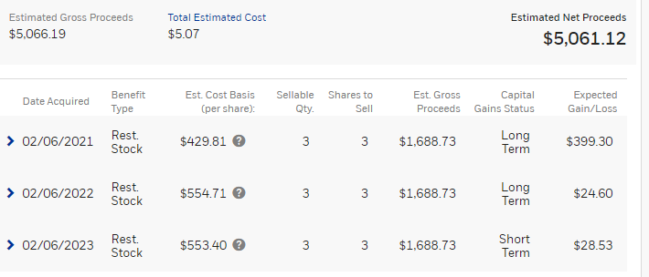
 |  |  |  |  |  |  |  |  |  |  | PPF interest
 |  |  |  |  |  |  |  |  |  |  |  |  |  |  |  |  |  |  | 103600 | 53 | 5490800
 |  |  |  |  |  |  |  |  |  |  |  |  |  |  |  |  |  |  | 40600 | 93 | 3775800
 |  |  |  |  |  |  |  |  |  |  |  |  |  |  |  |  |  |  | 27250 | 398 | 10845500
 |  |  |  |  |  |  |  |  |  |  |  |  |  |  |  |  |  |  |  | 0 | 0
 |  |  |  |  |  |  |  |  |  |  |  |  |  |  |  |  |  |  |  |  | 20112100

 |  |  |  |  |  |  |  |  |  |  |  |  |  | cp
 |  |  |  |  |  |  |  |  |  |  |  | 3 | 429.81 | 104443.83 | 136787.13 | 32343.3
 |  |  |  |  |  |  |  |  |  |  |  | 3 | 554.71 | 134794.53 | 136787.13 | 1992.6
 |  |  |  |  |  |  |  |  |  |  |  | 3 | 553.4 | 134476.2 | 136787.13 | 2310.93

 |  |  |  |  |  |  |  |  |  |  |  |  |  |  |  |  | gneral | not option
 |  |  |  |  |  |  |  |  |  |  |  |  |  |  |  |  | local taxes | 32400
 |  |  |  |  |  |  |  |  |  |  |  |  |  |  |  | 80d | one of parent senior citizen | no
 |  |  |  |  |  |  |  |  |  |  |  |  |  |  |  | 80ttb

 |  |  |  |  |  |  |  |  |  |  |  |  |  |  |  | change email address
 |  |  |  |  |  |  |  |  |  |  |  |  |  |  |  | p&l | liability bank remove

 |  | agv price | inv value | ltp | market value | net | % |  |  |  |  |  | agv price | inv value | ltp | market value | net | %
tcs | 34 | 3767.65 | 128100.1 | 3870.2 | 131586.8 | 3486.7 | 2.7218557987 |  |  |  | tcs | 34 | 3767.65 | 128100.1 | 3870.2 | 131586.8 | 3486.7 | 2.7218557987
bhel | 1629 | 56.35 | 91794.15 | 276.9 | 451070.1 | 359275.95 | 391.39307897 |  |  |  | bhel | 4800 | 56.35 | 270480 | 276.9 | 1329120 | 1058640 | 391.39307897
gail | 1147 | 103.75 | 119001.25 | 209.55 | 240353.85 | 121352.6 | 101.97590361 |  |  |  | jp power | 1147 | 103.75 | 119001.25 | 209.55 | 240353.85 | 121352.6 | 101.97590361
irb | 3500 | 26.15 | 91525 | 68.95 | 241325 | 149800 | 163.67112811 |  |  |  | tata steel | 3500 | 26.15 | 91525 | 68.95 | 241325 | 149800 | 163.67112811
icicibank | 100 | 762.8 | 76280 | 1160.15 | 116015 | 39735 | 52.090980598 |  |  |  | icicibank | 100 | 762.8 | 76280 | 1160.15 | 116015 | 39735 | 52.090980598
bankbaroda | 500 | 107.4 | 53700 | 272.6 | 136300 | 82600 | 153.81750466 |  |  |  | bankbaroda | 500 | 107.4 | 53700 | 272.6 | 136300 | 82600 | 153.81750466
bharti | 102 | 723.85 | 73832.7 | 1332.45 | 135909.9 | 62077.2 | 84.078192996 |  |  |  | sbi | 102 | 723.85 | 73832.7 | 1332.45 | 135909.9 | 62077.2 | 84.078192996
embassy | 200 | 388 | 77600 | 355.84 | 71168 | -6432 | -8.2886597938 |  |  |  | ptc | 200 | 388 | 77600 | 355.84 | 71168 | -6432 | -8.2886597938
canbk | 200 | 242.5 | 48500 | 620.85 | 124170 | 75670 | 156.02061856 |  |  |  | canbk | 200 | 242.5 | 48500 | 620.85 | 124170 | 75670 | 156.02061856
reliance | 2250 | 2343.9 | 5273775 | 2930.05 | 6592612.5 | 1318837.5 | 25.007466189 |  |  |  | rec | 2250 | 2343.9 | 5273775 | 2930.05 | 6592612.5 | 1318837.5 | 25.007466189
jiofinance | 2250 | 247.8 | 557550 | 380.5 | 856125 | 298575 | 53.551251009 |  |  |  | beml | 2250 | 247.8 | 557550 | 380.5 | 856125 | 298575 | 53.551251009
 |  |  |  |  |  |  |  |  |  |  | yesbank
 |  |  |  |  |  |  |  |  |  |  | upl
 |  |  |  |  |  |  |  |  |  |  | mmtc
 |  |  |  |  |  |  |  |  |  |  | pfc

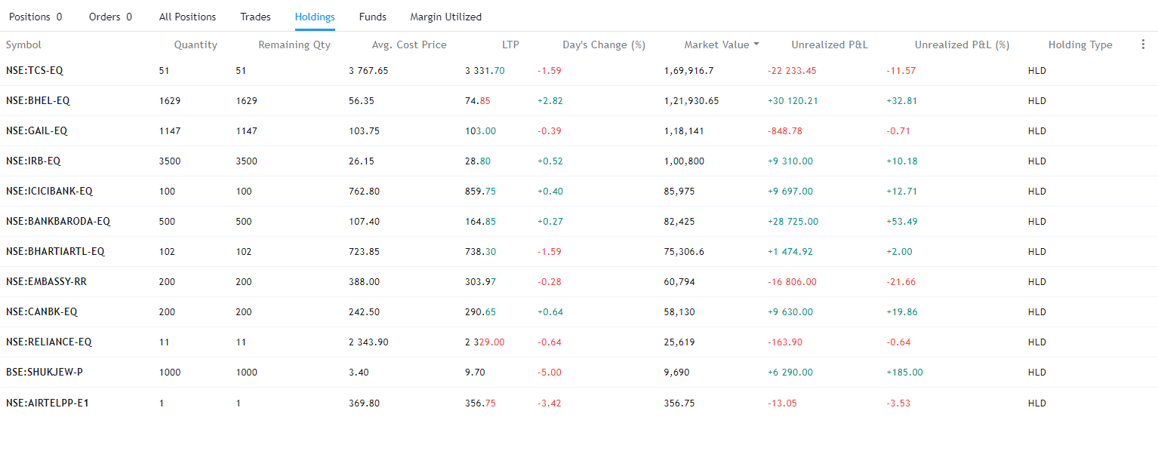

Exchange | Instrument | Qty | Salable | Avg.Cost | Inv .VaL | LTP | Cur.Val | P&L | RPNL | Net Change | DayChange | Npoa Qty | T1Qty | Pledged Qty | T1 Nonpoa
NSE | CANBK-EQ | 199 | 0 | 0 | 62,147.70 | 312 | 62,088.00 | -59.7 | 0 | -0.10% | -0.10% | 199 | 0 | 0 | 0 | 8-Jun-23
NSE | TCS-EQ | 50 | 0 | 0 | 161,822.50 | 3243.35 | 162,167.50 | 345 | 0 | 0.21% | 0.21% | 50 | 0 | 0 | 0 | 8-Jun-23

Sheet5
2019-06-07 | 200000
2019-06-08 | 200000 | 0
2019-06-09 | 200000 | 0
2019-06-10 | 40000 | -160000 | -80
2019-06-11 | 40000 | 0 | 0
2019-06-12 |  | -40000 | -100
2019-06-13 |  | 0 | #DIV/0!
2019-06-14 |  | 0 | #DIV/0!
2019-06-15 |  | 0 | #DIV/0!
2019-06-16 |  | 0 | #DIV/0!
2019-06-17 |  | 0 | #DIV/0!
2019-06-18 |  | 0 | #DIV/0!
2019-06-19 |  | 0 | #DIV/0!
2019-06-20 |  | 0 | #DIV/0!
2019-06-21 |  | 0 | #DIV/0!
2019-06-22 |  | 0 | #DIV/0!
2019-06-23 |  | 0 | #DIV/0!
2019-06-24 |  | 0 | #DIV/0!
2019-06-25 |  | 0 | #DIV/0!
2019-06-26 |  | 0 | #DIV/0!
2019-06-27 |  | 0 | #DIV/0!
2019-06-28 |  | 0 | #DIV/0!
2019-06-29 |  | 0 | #DIV/0!
2019-06-30 |  | 0 | #DIV/0!
2019-07-01 |  | 0 | #DIV/0!
2019-07-02 |  | 0 | #DIV/0!
2019-07-03 |  | 0 | #DIV/0!
2019-07-04 |  | 0 | #DIV/0!
2019-07-05 |  | 0 | #DIV/0!
2019-07-06 |  | 0 | #DIV/0!
2019-07-07 |  | 0 | #DIV/0!
2019-07-08 |  | 0 | #DIV/0!
2019-07-09 |  | 0 | #DIV/0!
2019-07-10 |  | 0 | #DIV/0!
2019-07-11 |  | 0 | #DIV/0!
2019-07-12 |  | 0 | #DIV/0!
2019-07-13 |  | 0 | #DIV/0!
2019-07-14 |  | 0 | #DIV/0!
2019-07-15 |  | 0 | #DIV/0!
2019-07-16 |  | 0 | #DIV/0!
2019-07-17 |  | 0 | #DIV/0!
2019-07-18 |  | 0 | #DIV/0!
2019-07-19 |  | 0 | #DIV/0!
2019-07-20 |  | 0 | #DIV/0!
2019-07-21 |  | 0 | #DIV/0!
2019-07-22 |  | 0 | #DIV/0!
2019-07-23 |  | 0 | #DIV/0!
2019-07-24 |  | 0 | #DIV/0!
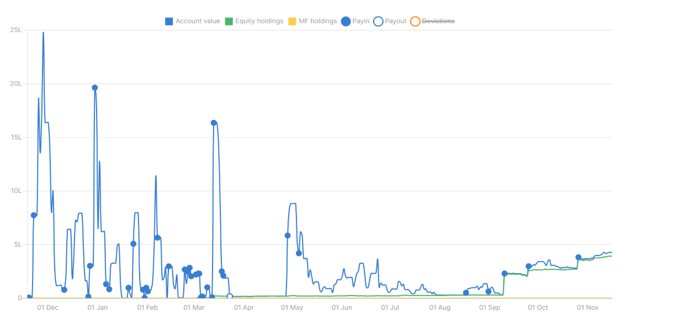
2019-07-25 |  | 0 | #DIV/0!
2019-07-26 |  | 0 | #DIV/0!
2019-07-27 |  | 0 | #DIV/0!
2019-07-28 |  | 0 | #DIV/0!
2019-07-29 |  | 0 | #DIV/0!
2019-07-30 |  | 0 | #DIV/0!
2019-07-31 |  | 0 | #DIV/0!
2019-08-01 |  | 0 | #DIV/0!
2019-08-02 |  | 0 | #DIV/0!
2019-08-03 |  | 0 | #DIV/0!
2019-08-04 |  | 0 | #DIV/0!
2019-08-05 |  | 0 | #DIV/0!
2019-08-06 |  | 0 | #DIV/0!
2019-08-07 |  | 0 | #DIV/0!
2019-08-08 |  | 0 | #DIV/0!
2019-08-09 |  | 0 | #DIV/0!
2019-08-10 |  | 0 | #DIV/0!
2019-08-11 |  | 0 | #DIV/0!
2019-08-12 |  | 0 | #DIV/0!
2019-08-13 |  | 0 | #DIV/0!
2019-08-14 |  | 0 | #DIV/0!
2019-08-15 |  | 0 | #DIV/0!
2019-08-16 |  | 0 | #DIV/0!
2019-08-17 |  | 0 | #DIV/0!
2019-08-18 |  | 0 | #DIV/0!
2019-08-19 |  | 0 | #DIV/0!
2019-08-20 |  | 0 | #DIV/0!
2019-08-21 |  | 0 | #DIV/0!
2019-08-22 |  | 0 | #DIV/0!
2019-08-23 |  | 0 | #DIV/0!
2019-08-24 |  | 0 | #DIV/0!
2019-08-25 |  | 0 | #DIV/0!
2019-08-26 |  | 0 | #DIV/0!
2019-08-27 |  | 0 | #DIV/0!
2019-08-28 |  | 0 | #DIV/0!
2019-08-29 |  | 0 | #DIV/0!
2019-08-30 |  | 0 | #DIV/0!
2019-08-31 |  | 0 | #DIV/0!
2019-09-01 |  | 0 | #DIV/0!
2019-09-02 |  | 0 | #DIV/0!
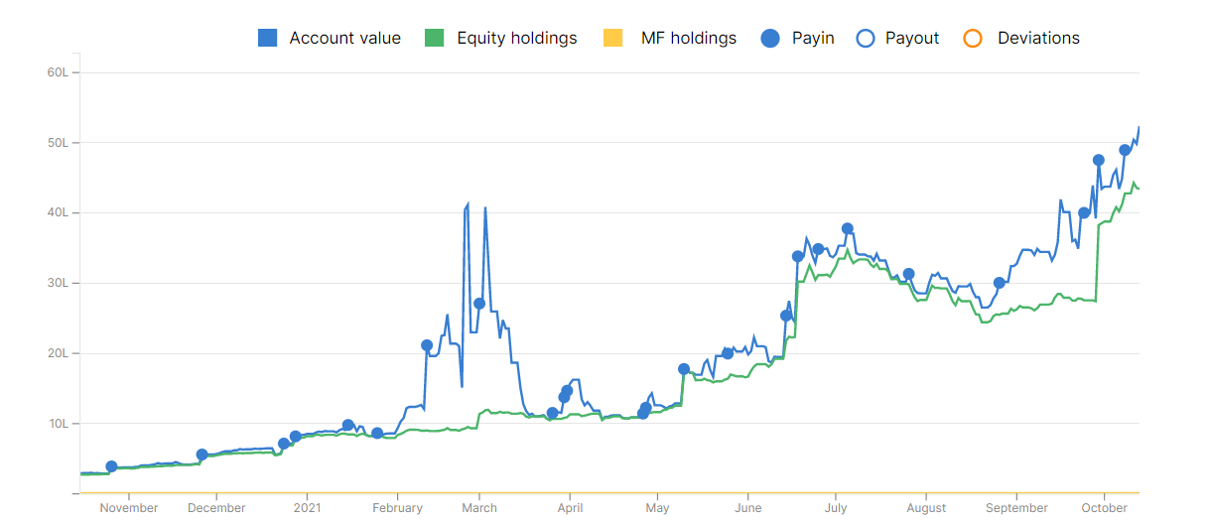
2019-09-03 |  | 0 | #DIV/0!
2019-09-04 |  | 0 | #DIV/0!
2019-09-05 |  | 0 | #DIV/0!
2019-09-06 |  | 0 | #DIV/0!
2019-09-07 |  | 0 | #DIV/0!
2019-09-08 |  | 0 | #DIV/0!
2019-09-09 |  | 0 | #DIV/0!
2019-09-10 |  | 0 | #DIV/0!
2019-09-11 |  | 0 | #DIV/0!
2019-09-12 |  | 0 | #DIV/0!
2019-09-13 |  | 0 | #DIV/0!
2019-09-14 |  | 0 | #DIV/0!
2019-09-15 |  | 0 | #DIV/0!
2019-09-16 |  | 0 | #DIV/0!
2019-09-17 |  | 0 | #DIV/0!
2019-09-18 |  | 0 | #DIV/0!
2019-09-19 |  | 0 | #DIV/0!
2019-09-20 |  | 0 | #DIV/0!
2019-09-21 |  | 0 | #DIV/0!
2019-09-22 |  | 0 | #DIV/0!
2019-09-23 |  | 0 | #DIV/0!
2019-09-24 |  | 0 | #DIV/0!
2019-09-25 |  | 0 | #DIV/0!
2019-09-26 |  | 0 | #DIV/0!
2019-09-27 |  | 0 | #DIV/0!
2019-09-28 |  | 0 | #DIV/0!
2019-09-29 |  | 0 | #DIV/0!
2019-09-30 |  | 0 | #DIV/0!
2019-10-01 |  | 0 | #DIV/0!
2019-10-02 |  | 0 | #DIV/0!
2019-10-03 |  | 0 | #DIV/0!
2019-10-04 |  | 0 | #DIV/0!
2019-10-05 |  | 0 | #DIV/0!
2019-10-06 |  | 0 | #DIV/0!
2019-10-07 |  | 0 | #DIV/0!
2019-10-08 |  | 0 | #DIV/0!
2019-10-09 |  | 0 | #DIV/0!
2019-10-10 |  | 0 | #DIV/0!
2019-10-11 |  | 0 | #DIV/0!

Sheet12
 |  |  | Thrusday | 8-Sep-22 | Monday | 12-Sep-22 | Tuesday | 13-Sep-22
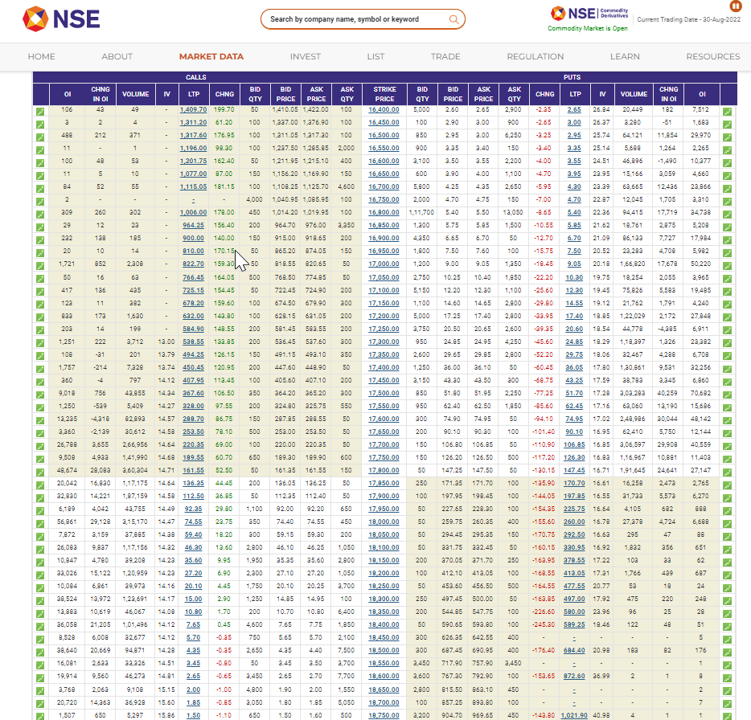
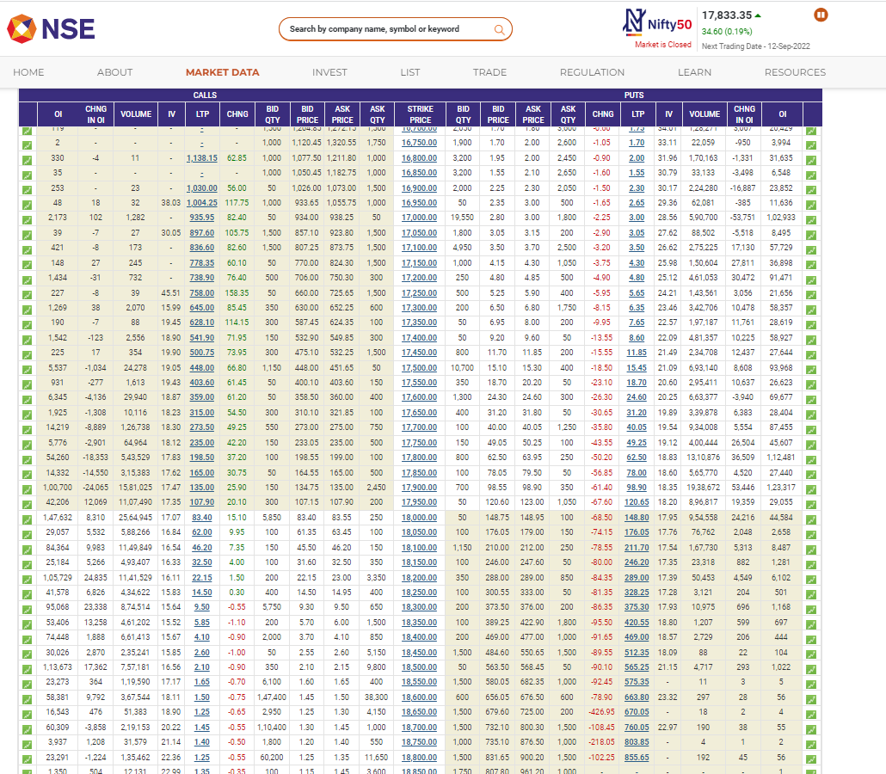
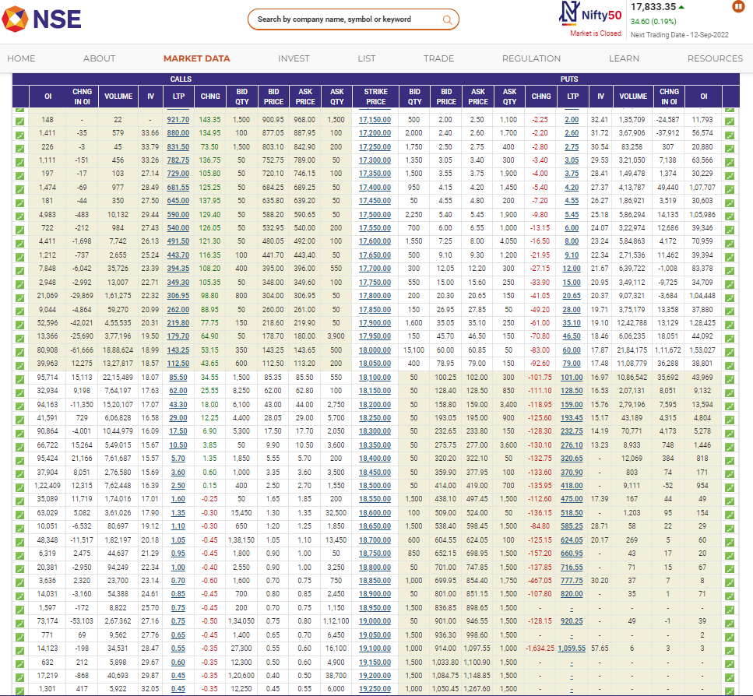

 |  |  | Wednesday | 14-Sep-22
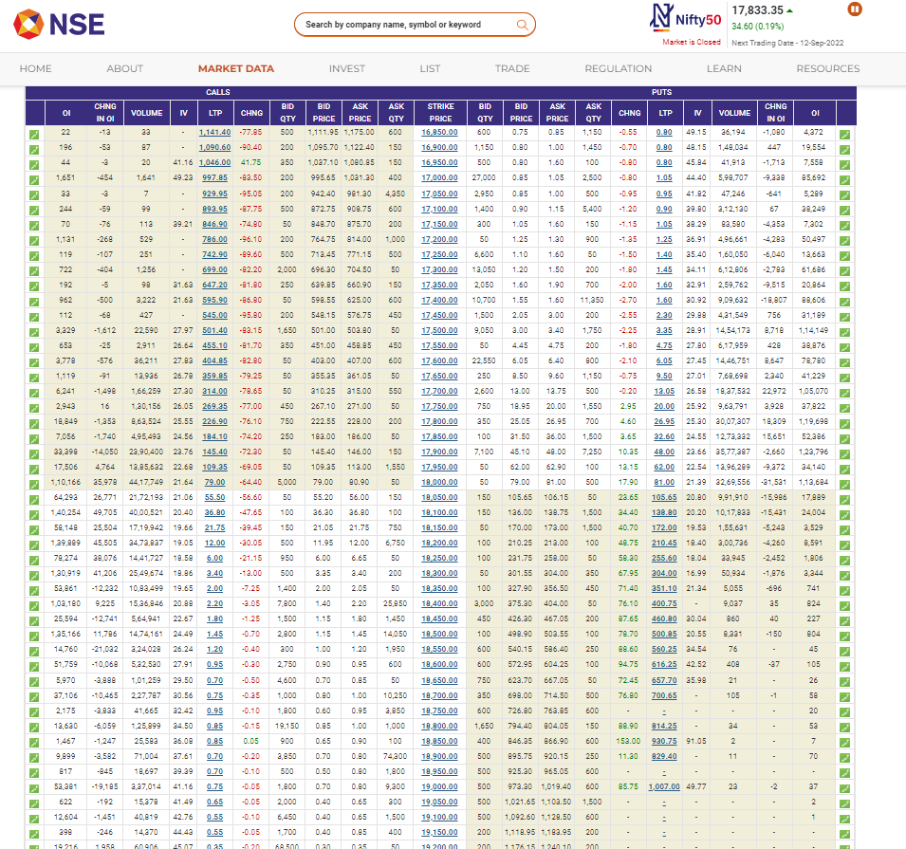

Royal Jardin Whistling Pines Resort breakfast + dinner + heater on direct booking shimla | 6720 | 13440
euthopia + breakfast | 4500 or 5500 | 9000

jain resort shimla

per
-800000 | -800000 |  |  |  | Friday | 150 | 78
-500000 | -500000 |  |  |  | Monday | 150 | 54
-150000 | -150000 |  |  |  | Tuesday | 150 | 35
-100000 | -100000
-50000 | -50000
-15000 | -15000
15000 | 15000 |  |  |  |  |  |  |  |  |  |  |  | 10 | 13
19500 | 2900 |  |  |  |  |  |  |  |  |  |  |  | 15 | 19.5
25350 | 1000 |  |  |  |  |  |  |  |  |  |  |  | 20 | 26
32955 | 1000 |  |  |  |  |  |  |  |  |  |  |  | 25 | 32.5
42841.5 | 254000 | 27-06-2018 |  |  |  |  |  |  |  |  |  |  | 30 | 39
55693.95 | 47000 | 28-06-2018 | -81.496062992 | 40000 |  |  |  |  |  |  |  | 35 | 45.5
72402.135 | 40000 | 29-06-2018 | -14.893617021 |  |  |  |  |  |  |  |  | 40 | 52
94122.7755 | 34000 | 2018-02-07 | -15 | 20000 |  |  |  |  |  |  |  | 45 | 58.5
122359.60815 | 22000 | 2018-03-07 | -35.294117647 |  |  |  |  |  |  |  |  | 50 | 65
159067.4906 | 60000 | 2018-04-07 | 172.72727273 |  |  |  |  |  |  |  |  | 55 | 71.5
206787.73777 | 82000 | 2018-05-07 | 36.666666667 |  |  |  |  |  |  |  |  | 60 | 78
268824.05911 | 57000 | 2018-06-07 | -30.487804878 |  |  |  |  |  |  |  |  | 65 | 84.5
349471.27684 | 65000 | 2018-09-07 | 14.035087719 |  |  |  |  |  |  |  |  | 70 | 91
454312.65989 | 107000 | 2018-10-07 | 64.615384615 |  |  |  |  |  |  |  |  | 75 | 97.5
590606.45785 | 95000 | 2018-11-07 | -11.214953271 |  |  |  |  |  |  |  |  | 80 | 104
767788.39521 | 19000 | 2018-12-07 | -80 | gap up 200 pts |  |  |  |  |  |  |  | 85 | 110.5
998124.91377 | 16000 | 13/7/2018 | -15.789473684 | 15000 |  |  |  |  |  |  |  | 90 | 117
1297562.3879 | 18000 | 16/7/2018 | 12.5 |  |  |  |  |  |  |  |  | 95 | 123.5
1686831.1043 | 15000 | 17/7/2018 | -16.666666667 |  |  |  |  |  |  |  |  | 100 | 130
2192880.4356 | 19000 | 18/7/2018 | 26.666666667 |  |  |  |  |  |  |  |  | 105 | 136.5
2850744.5662 | 0 | 19/7/2018 | -100 |  |  |  |  |  |  |  |  |  | 110 | 143
3705967.9361 | 0 | 20/7/2018 | #DIV/0! |  |  |  |  |  |  |  |  |  | 115 | 149.5
4817758.3169 | 0 | 23/7/2018 | #DIV/0! |  |  |  |  |  |  |  |  |  | 120 | 156
6263085.812 | 0 | 24/7/2018 | #DIV/0!
8142011.5556 | 100000 | 25/7/2018 | #DIV/0!
10584615.022 | 179000 | 26/7/2018 | 79
13759999.529 | 141000 | 27/7/2018 | -21.229050279
17887999.388 | 141000 | 30/7/2018 | 0
23254399.204 | 141000 | 31/7/2018 | 0
30230718.965 | 223000 | 2018-08-01 | 58.156028369
39299934.655 | 80000 | 2018-08-02 | -64.125560538
51089915.051 | 150000 | 2018-08-03 | 87.5 | carried 1/3rd quantity cos Friday to Monday trend exited 800 carried 400
66416889.567 | 153000 | 2018-08-06 | 2 |  |  |  |  |  |  |  | 35000
86341956.436 | 105000 | 2018-08-07 | -31.37254902 |  |  | 42000 | 110000 | 25-05-2018 | 10 | 10 | 38500
112244543.37 | 145000 | 2018-08-08 | 38.095238095 | 100000 |  | 54600 | 126000 | 28-05-2018 | 14.545454545 | 14.545454545 | 44100
145917906.38 | 215000 | 2018-08-09 | 48.275862069 |  |  | 70980 | 281000 | 29-05-2018 | 123.01587302 | 123.01587302 | 98350
189693278.29 | 287000 | 2018-08-10 | 33.488372093 |  |  | 92274 | 553000 | 30-05-2018 | 96.797153025 | 96.797153025 | 193550
 | 269000 | 2018-08-13 | -6.2717770035 |  |  | 119956.2 | 1077000 | 31-05-2018 | 94.755877034 | 94.755877034 | 376950
 | 318000 | 2018-08-14 | 18.215613383 |  |  | 155943.06 | 724000 | 2018-01-06 | -32.776230269 | -20 | 301560
 | 49000 | 2018-08-16 | -84.591194969 |  |  | 202725.978 | 310000 | 2018-04-06 | -57.182320442 | -20 | 241248
 | 61000 | 2018-08-17 | 24.489795918 |  |  | 263543.7714 | 235000 | 2018-05-06 | -24.193548387 | -20 | 192998.4
 |  |  |  |  |  | 342606.90282 | 410000 | 2018-06-06 | 74.468085106 | 74.468085106 | 336720.61277
 |  |  |  |  |  | 445388.97367 | 447000 | 2018-07-06 | 9.0243902439 | 9.0243902439 | 367107.59489
 |  |  |  |  |  | 579005.66577 | 446000 | 2018-08-06 | -0.22371364653 | -0.22371364653 | 366286.32511
 |  |  |  |  |  | 752707.3655 | 310000 | 2018-11-06 | -30.493273543 | -20 | 293029.06009
 |  |  |  |  |  | 978519.57514 | 490000 | 2018-12-06 | 58.064516129 | 58.064516129 | 463174.96594
 |  |  |  |  |  | 1272075.4477 | 180000 | 13/6/2018 | -63.265306122 | -20 | 370539.97275
 |  |  |  |  |  | 1653698.082 | 25000 | 14/6/2018 | -86.111111111 | -20 | 296431.9782
 |  |  |  |  |  | 2149807.5066 | 125000 | 14-06-2018 |  | 0 | 296431.9782
 |  |  |  |  |  | 2794749.7586 | 212000 | 15-06-2018 | 69.6 | 69.6 | 502748.63503
 |  |  |  |  |  | 3633174.6861 | 160000 | 18-06-2018 | -24.528301887 | -20 | 402198.90802
 |  |  |  |  |  | 4723127.092 | 190000 | 19-06-2018 | 18.75 | 18.75 | 477611.20328
 |  |  |  |  |  | 6140065.2196 | 546000 | 20-06-2018 | 187.36842105 | 187.36842105 | 1372503.7736
 |  |  |  |  |  | 7982084.7854 | 250000 | 21/6/2018 | -54.212454212 | -20 | 1098003.0189
 |  |  |  |  |  | 10376710.221 | 825000 | 22/6/2018 | 230 | 230 | 3623409.9624
 |  |  |  |  |  | 13489723.287 | 520000 | 25/6/2018 | -36.96969697 | -20 | 2898727.9699
 |  |  |  |  |  | 17536640.274 | 428000 | 26/6/2018 | -17.692307692 | -20 | 2318982.3759
 |  |  |  |  |  | 22797632.356 | 54000 | 27/6/2018 | -87.38317757 | -20 | 1855185.9007
 |  |  |  |  |  | 29636922.062 | 70200 | 29
 |  |  |  |  |  | 38527998.681 | 91260 | 2
 |  |  |  |  |  | 50086398.286 | 118638 | 3
 |  |  |  |  |  | 65112317.771 | 154229.4 | 4
 |  |  |  |  |  | 84646013.103 | 200498.22 | 5
 |  |  |  |  |  | 110039817.03 | 260647.686 | 6
 |  |  |  |  |  | 143051762.14 | 338841.9918 | 9
 |  |  |  |  |  | 185967290.79 | 440494.58934 | 10

